1. Title Page
Customer Purchase Analysis

Instacart Customer Purchase Analysis
July 21, 2021
By Lauren Rutledge

Contents:
Citations
Population Flow
Consistency checks
Wrangling steps
Column derivations
Visualizations
Recommendations

2. Citations
 | Title page

Citations

CareerFoundry Project Brief:
Project Brief

CareerFoundry Data Sets:
Customers Data Set

Instacart Data Sets:
Data Sets
Data Dictionary

3. Population Flow
Title page

Population flow

Exclusion flag
Condition: max_order < 5
Obervations to be removed: 5,913,586
Final total count of order_products_all: 24,414,877

Orders_products_combined
Orders_products_merged
Orders_products_all

Total: 30,328,763 rows
Total: 30,356,421 rows
Total: 30,328,463 rows

1.) The grey boxes in the first row of the population flow represent the original data sets as they were when you downloaded them. In the Total fields you need to add the count of the rows when you imported the data set into Jupyter.
2.) The second row of boxes (coloured) represents the data sets after you manipulated them, e.g., removed missing values and duplicates. In the Total fields you need to add the count of the rows after conducting these operations. This offers a visual oveview of how the data flows throughout the data consistency checks.
3.) The third row, where also the arrows are coloured, represents the merges you performed between the datasets. In the Total fields you need to add the count of the rows in the merged datasets, so that you end up with the final dataset (in the red box). Keep in mind the final dataset should be without exclusions (based on the exclusion flag).

4. Consistency checks
 |  |  |  | Title page
Consistency checks

Dataset | Missing values | Missing values treatment | Duplicates
orders | 206,209 missing values in "days_since_prior_order" column | Created new dataframe without null values | None
products | 16 missing values in "product_name" column | Created new dataframe without null values | 5 duplicate rows removed
orders_products_prior | None | N/A | None
customers | None | N/A | None

5. Wrangling steps
 |  |  |  | Title page
Wrangling steps

Columns dropped | Columns renamed | Columns' type changed | Comment/Reason
"_merge" column dropped from orders_products_all dataframe |  |  | Column not necessary for analysis
 |  | "customer_id" changed to string data type in orders_products dataframe | Changed to match data type in customer dataframe for merging
 | Renamed "user_id" column to "customer_id" in customer dataframe |  | Renamed to be more descriptive of contents
 | Renamed "user_id" column to "customer_id" in orders and customer dataframes |  | Renamed to be more descriptive of contents
"First Name" column dropped from orders_products_all dataframe |  |  | Removed to comply with PII regulations
"Last Name" column dropped from orders_products_all dataframe |  |  | Removed to comply with PII regulations
"Unnamed: 0" and "Unnamed: 0.1" columns from df_ords dataframe |  |  | Columns not necessary for analysis
 | Renamed "n_dependants" column name to "number_of_dependants" in customer dataframe |  | Renamed to be more descriptive of contents
 | Renamed "order_dow" column name to "orders_day_of_week" in orders dataframe |  | Renamed to be more descriptive of contents
"date_joined" colum dropped customer dataframe |  |  | Column not necessary for analysis

6. Column derivations
 |  |  |  | Title page

Column derivations and aggregations

In this tab you should add tables below that the frequences of flags/label variables that you produced after deriving them. NB: don't do this for continuous variables, only for flags.
Dataset | New column | Column/s it was derived from | Conditions
orders_products_merged | price_range | prices | Created low, mid and high-range product groups based on prices
orders_products_merged | busiest_day | orders_day_of_week | Created least, regular and busiest day columns based on orders_day_of_week
orders_products_merged | Busiest days | orders_day_of_week | Created "2 slowest days", "regular" and "2 busiest days" columns based on orders_day_of_week
orders_products_merged | busiest_period_of_day | order_hour_of_day | Created "Most orders", "Average orders" and "Least orders" groups based on order_hour_of_day
orders_products_merged | loyalty_flag | max_order | Created loyal, regualar and new customer groups based on max_order
orders_products_merged | average_price | prices & customer_id | Calculated each customer's average price of products they have purchased
orders_products_merged | average_spending | average_price | Created flag to assign a "average_spending" label to a user ID based on corresponding average product price value
orders_products_merged | average_days_since_prior_order | customer_id & days_since_prior_order | Calculated each customer's average days_since_prior_order
orders_products_merged | customer_frequency | average_days_since_prior_order | Created flag to assign a "customer_frequency" label to a user ID based on corresponding average_days_since_prior_order column
orders_products_all | Region | State | Created "Northeast", "Midwest", "South" and "West" regions based on state
orders_products_all | parent_profile | age & number_of_dependants | Created 4 groups based on age and number of dependants
orders_products_all | income_profile | income | Created low, medium and high income groups
orders_products_all | department_profile | department_id | created 6 groups based on department purchases

7. Visualizations
 |  |  | Title page

Visualisations

In this tab you should include all the visualtions from Exercises 4.9 and 4.10, alongside the questions from the project brief that they answer. Include any commentary on the relationship between different variables.

Key Question: The sales team needs to know what the busiest days of the week and hours of the day are (i.e., the days and times with the most orders) in order to schedule ads at times when there are fewer orders.

Order freqency by day of week
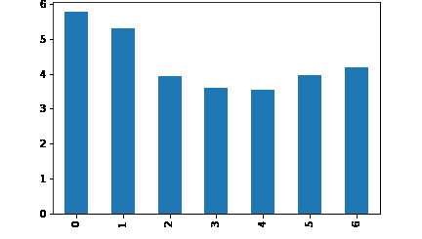
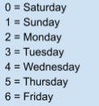

 | The higest order days are Saturdays and Sundays.

Order freqency by hour of day
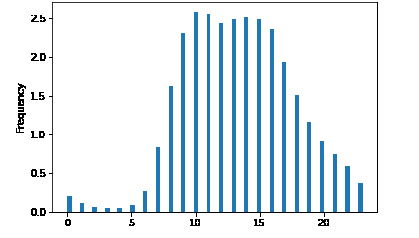

 | The peak order hours are between 9:00 AM and 4:00 PM.

Key Question: The sales team needs to know know whether there are particular times of the day when people spend the most money, as this might inform the type of products they advertise at these times.

Order prices by day of week
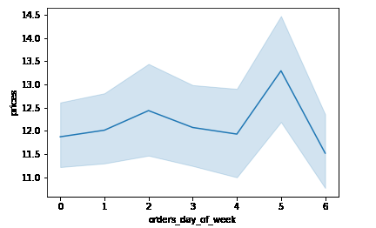

 | The highest priced items are purchased on Thursdays.

Order prices by hour of day
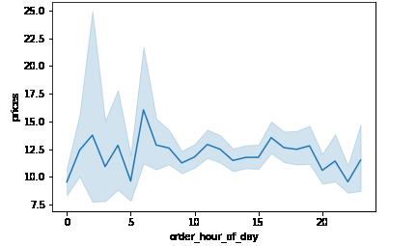

 | The highest priced items are purchased at 7:00 AM.

Key Question: The marketing and sales teams are particularly interested in the different types of customers in their system and how their ordering behaviors differ.
Income Profiles

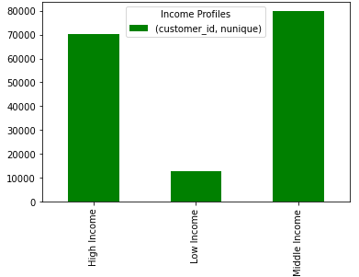

 |  | Most customers are in middle and high income households.

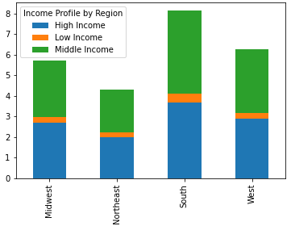

 |  | Most customers are located in the South region.

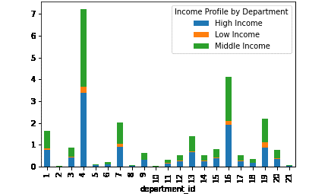

 |  | Most customers purchase items from the produce and dairy/eggs departments.

Parent Profiles

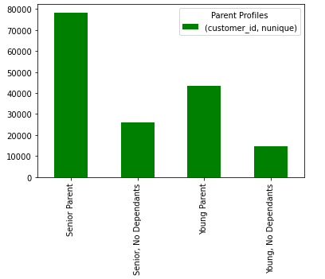

 |  | Most customers are senior parents.

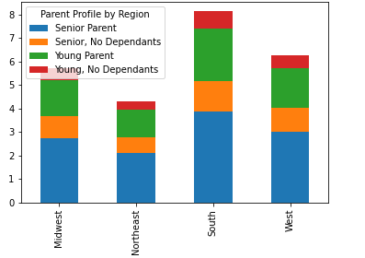

 |  | The distribution of parent profiles is consistent across regions.

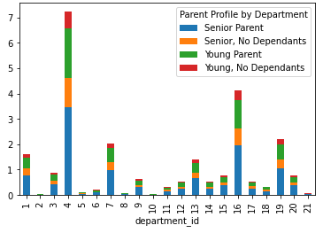
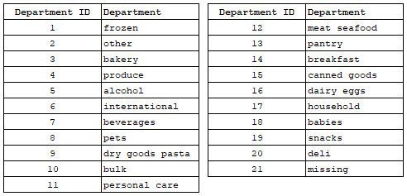

 |  | Produce and dairy/eggs departments are the most popular among all parent profiles.

Department Profiles

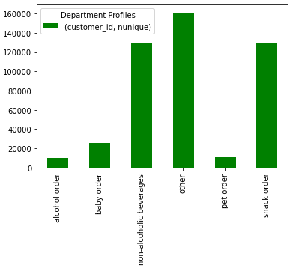

 |  | Non-alcoholic beverages, snacks and other (likely produce and dairy/eggs departments) are large customer segments.

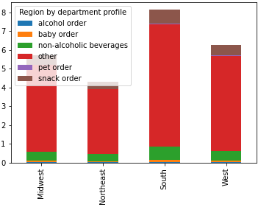

 |  | Distribution of customer segments is consistent across geograpical regions.

All Departments
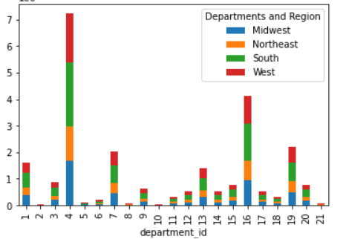

 |  | Produce and dairy eggs departmens have the most orders across regions.

8. Recommendations
 |  |  | Title page

Recommendations

In this tab you should include any recommendations you would made to Instcart in terms of their marketing strategy based on the questions posed in the brief. Every key question has been covered in the Tasks of the Exercises - here you need to add an item - a visualisation or table/crosstable that is showing the answer in the data, acompanied by a comment from you. Please, list the questions below and add the answer underneath.

Key Question | Answer | Visualization/Table
The sales team needs to know what the busiest days of the week and hours of the day are (i.e., the days and times with the most orders) in order to schedule ads at times when there are fewer orders. | The busiest days are Saturday and Sunday, and the busiest time is between 9:00 AM and 4:00 PM. I recommend scheduling ads Monday through Friday between 5:00 PM and 12:00 AM in order to boost sales during these slower order times. | 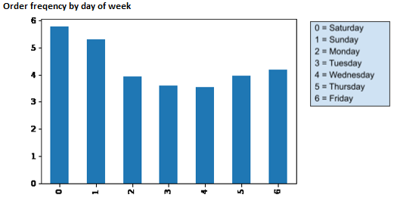 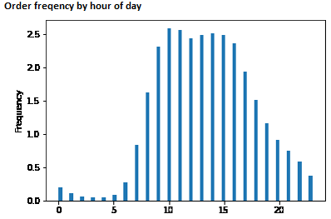
The sales team wants to know whether there are particular times of the day when people spend the most money, as this might inform the type of products they advertise at these times. | Higher priced items are typically purchased on Thursdays at 7:00 AM. I recommend advertising premium and higer priced items during these times. | 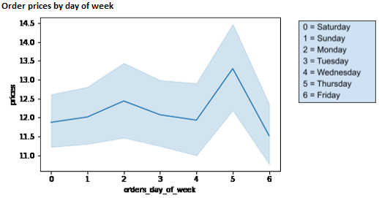 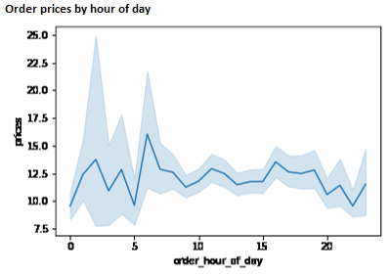
Instacart has a lot of products with different price tags. Marketing and sales want to use simpler price range groupings to help direct their efforts. | I recommend dividing products into three groups. Low-range products are defined as less than or equal to $5. Mid-range products are between $5 and $15. High-range products are greater than $15. The number of products in each price group is shown in the table.
Are there certain types of products that are more popular than others? The marketing and sales teams want to know which departments have the highest frequency of product orders. | Produce and dairy/eggs departmens have the higest frequency of product orders. This is the case across all regions.
Is there a connection between age and family status in terms of ordering habits? | I created four groups for family status. The largest customer group is "Senior Parent" followed by "Young Parent". These groups show similar purchase distribution among departments. | 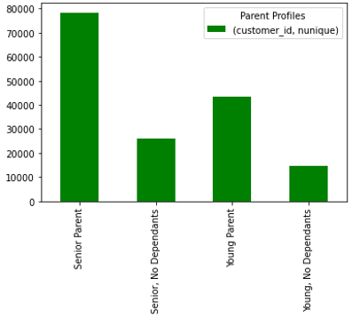 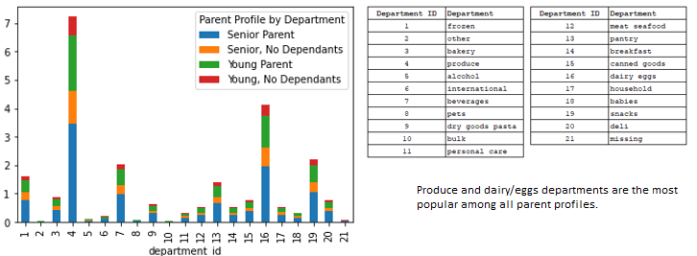
Is there a connection between income an ordering habits? | I created three profiles based on customer income. Middle and high income customers purchase higer priced items on average. I recommend advertising more expensive items to these customers.

